Sample Submission
Figure 2: Indiana University - CYTOKINE Pharmacodynamic Studies
Children's Clinical Research Center/Translational Research and Integrated Biology Laboratory at Indiana University (Renbarger/Bijangi-Vishehsaraei)
DHART SPORE Sample Submission e-Form (Rev. 05/11/2022)
Pharmacodynamic Studies: Plasma biomarker (cytokine) assays
BACKGROUND: Plasma biomarker (cytokine) assays will be performed using multiplex simultaneous quantification of soluble cytokines and growth factors. Fix a printed label on each tube with: Date, Timepoint, Volume size, Aliquot #, Site and Site's Sample/Patient ID number (See Figure 1 - Printed Label Example). PLEASE SEE IMPORTANT NOTE BELOW.

1. PROJECT DESCRIPTION AND SUBMITTING SITE CONTACT INFORMATION
 |  |  |  |  |  |  |  |  | Required Fields

Study/Project# (including Clinical Protocol #):

Submitting Site Investigator |  | Name.: |  |  |  |  |  |  | Phone:
 |  | Submitting Site: |  |  |  |  |  |  | Email:

Submitting Site Address |  |  |  |  |  |  |  |  |  |  | IRB Number, if applicable

 | Dept. Name or No.

Contact:* |  | Name: |  |  |  |  | Email: |  |  | Phone:

* PERSON TO CONTACT IF THERE ARE QUESTIONS ABOUT THE SAMPLES OR THE REQUESTED SERVICES.

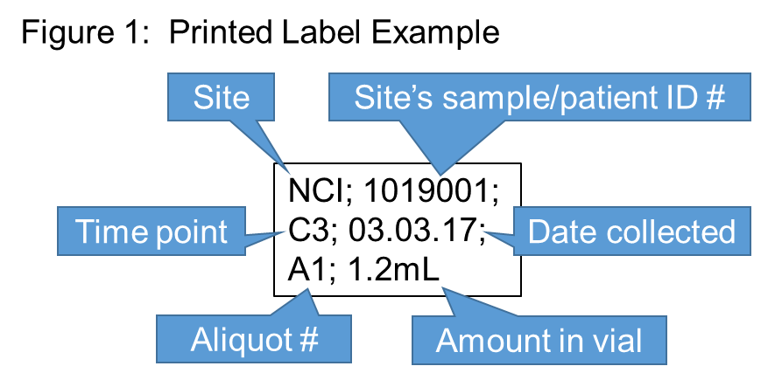
Please ship samples to: |  |  |  |  |  |  |  | Please include any additional information pertinent to successful competion of the services requested.
Children Clinical Research Center/TRIB Lab
Attn: Khadijeh (Sholeh) Bijangi-Vishehsaraei, PhD, MS
705 Riley Hospital Drive, Room 2641
Indianapolis, IN 46202
Fix a printed label on each tube with: Site ID, site’s sample/patient ID, time point, date, tube # and amount/vial (Cryo Babies, Cryotags, Size 9187-1700 White are the most reliable). See Figure 1.
PLEASE DO NOT SHIP FOR WEEKEND DELIVERY!! Ship samples by Federal Express Priority Overnight Monday through Thursday only.

IMPORTANT NOTE: BEFORE SENDING YOUR SAMPLES, PLEASE COMPLETE THIS FORM AND EMAIL A COPY TO KHADIJEH (SHOLEH) BIJANGI-VISHEHSARAEI (khbijang@iupui.edu). PLEASE ALSO INCLUDE A HARD COPY OF THE COMPLETED FORM WITH THE SAMPLE SHIPMENT. SHOULD YOU HAVE QUESTIONS ABOUT COMPLETING THE FORM, CONTACT KHADIJEH (SHOLEH): (317) 278-3050

2. SAMPLE SUBMISSIONS:
 |  |  |  |  |  | *This ID should appear on the tube label.
(A) Entry # | (B) DE-IDENTIFIED Subject/Patient ID | (C) Investigator-Assigned Unique ID* | (D) Material Supplied As: | (E) Aliquot/Tube Number | (F) Actual volume of the sample/vial | (G) Unit (ul, ml) | (H) Timepoint | (I) Species (H, M, O) | Comments
Example 1 | 3019001 | PA076/CHOP | Plasma | A1 | 1 | mL | Pretreatment | Human
Example 2 | 3019001 | PA076/CHOP | Plasma | A2 | 1 | mL | Pretreatment | Human
Example 3 | 3019001 | PA076/CHOP | Plasma | A3 | 1 | mL | Pretreatment | Human
Example 4 | 3019001 | PA076/CHOP | Plasma | A4 | 0.5 | mL | Pretreatment | Human
Example 5 | 1019001 | PL-0505/NIH | Plasma | A1 | 1 | mL | Cycle 3 | Human
Example 6 | 1019001 | PL-0505/NIH | Plasma | A2 | 0.8 | mL | Cycle 3 | Human
3
4
5
6
7
8
9
10
11
12
13
14
15
16
17
18
19
20
21
22
23
24
25
26
27
28
29
30
31
32
33
Add more rows if needed

